COVET COLLECTION INVENTORY
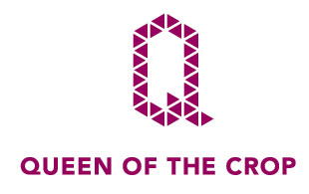
2018-01-24 15:49:22
INVENTORY ITEMS
4000
INVENTORY PICK LIST | INVENTORY PICK LIST

INVENTORY PICK LIST | INVENTORY PICK LIST

RRP GRAND TOTAL
 |  |  |  |  |  |  |  |  |  | INVENTORY PICK LIST | INVENTORY PICK LIST
£185,190.27
TAKE ALL STOCK OFFER
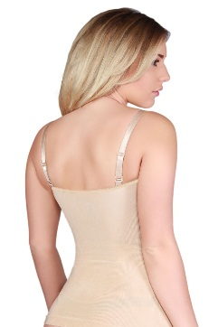
£18,900.00
 | STYLE | STYLE | COLOUR | SMALL | MEDIUM | LARGE | XL | XXL | TOTAL QUANTITY | RRP | RRP TOTAL
 | Camisole Vest "Clincher" | QC101 | Godiva (Dark Brown) | 92 | 36 | 85 | 0 | 0 | 213 | £38.90 | £8,285.70
 |  |  | Onyx (Black) | 80 | 50 | 50 | 0 | 0 | 180 | £38.90 | £7,002.00
 |  |  | Pearl (Beige) | 86 | 81 | 81 | 0 | 0 | 248 | £38.90 | £9,647.20
 |  |  | Venus (Caramel Brown) | 81 | 85 | 88 | 0 | 0 | 254 | £38.90 | £9,880.60
 | TOTAL |  |  | 339 | 252 | 304 | 0 | 0 | 895 |  | £34,815.50
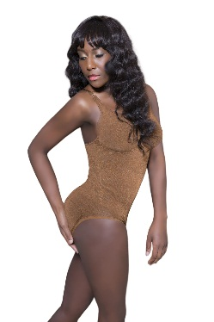
 | Bodysuit "Superbody" | QC102 | Godiva (Dark Brown) | 80 | 68 | 85 | 0 | 0 | 233 | £50.97 | £11,876.01
 |  |  | Onyx (Black) | 80 | 33 | 30 | 0 | 0 | 143 | £50.97 | £7,288.71
 |  |  | Pearl (Beige) | 70 | 77 | 95 | 0 | 0 | 242 | £50.97 | £12,334.74
 |  |  | Venus (Caramel Brown) | 80 | 75 | 74 | 0 | 0 | 229 | £50.97 | £11,672.13
 | TOTAL |  |  | 310 | 253 | 284 | 0 | 0 | 847 |  | £43,171.59

 | Slip Dress "Hourglass" | QC103 | Godiva (Dark Brown) | 89 | 42 | 89 | 0 | 0 | 220 | £56.34 | £12,394.80
 |  |  | Onyx (Black) | 84 | 0 | 8 | 0 | 0 | 92 | £56.34 | £5,183.28
 |  |  | Pearl (Beige) | 76 | 42 | 60 | 0 | 0 | 178 | £56.34 | £10,028.52
 |  |  | Venus (Caramel Brown) | 82 | 68 | 80 | 0 | 0 | 230 | £56.34 | £12,958.20
 | TOTAL |  |  | 331 | 152 | 237 | 0 | 0 | 720 |  | £40,564.80
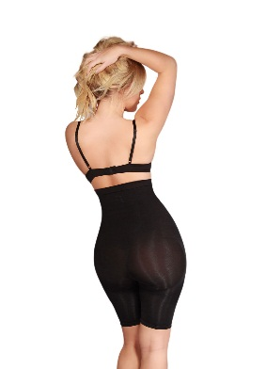
 | High Waist Long Leg Shorts "Pins" | QC104 | Godiva (Dark Brown) | 97 | 86 | 89 | 0 | 0 | 272 | £53.66 | £14,595.52
 |  |  | Onyx (Black) | 77 | 13 | 26 | 0 | 0 | 116 | £53.66 | £6,224.56
 |  |  | Pearl (Beige) | 87 | 57 | 86 | 0 | 0 | 230 | £53.66 | £12,341.80
 |  |  | Venus (Caramel Brown) | 92 | 78 | 92 | 0 | 0 | 262 | £53.66 | £14,058.92
 | TOTAL |  |  | 353 | 234 | 293 | 0 | 0 | 880 |  | £47,220.80
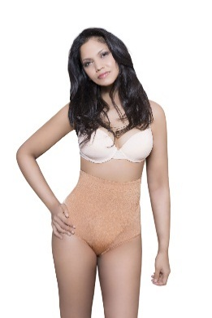
 | High Waist Knickers "Peach" | QC105 | Godiva (Dark Brown) | 71 | 70 | 52 | 0 | 0 | 193 | £29.51 | £5,695.43
 |  |  | Onyx (Black) | 70 | 12 | 40 | 0 | 0 | 122 | £29.51 | £3,600.22
 |  |  | Pearl (Beige) | 56 | 24 | 33 | 0 | 0 | 113 | £29.51 | £3,334.63
 |  |  | Venus (Caramel Brown) | 76 | 75 | 79 | 0 | 0 | 230 | £29.51 | £6,787.30
 | TOTAL |  |  | 273 | 181 | 204 | 0 | 0 | 658 |  | £19,417.58
 | GRAND TOTAL |  |  | 1606 | 1072 | 1322 | 0 | 0 | 4000 |  | £185,190.27
Prices Exclude VAT

SIZE CHART
